Indice
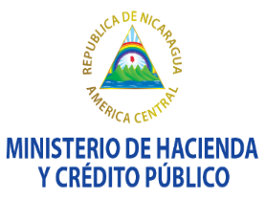

Consejo Monetario Centroamericano
Secretaría Ejecutiva
www.secmca.org

 | Estadísticas de Finanzas Públicas Armonizadas
 | Estadísticas de Deuda Pública del Sector Público

 | País: |  | Guatemala
 | Cobertura: |  | Gobierno General Consolidado
 | Frecuencia: |  | Mensual

 | Contenido:
 |  | Estado de Operaciones
 |  | Estado de Fuentes y Usos de Efectivo
 |  | Estado Integrado de Saldos y Flujos
 |  | Estado de Variaciones Totales en el Patrimonio Neto
 |  | Ingreso
 |  | Gasto
 |  | Transacciones en Activos y Pasivos
 |  | Ganancias y Pérdidas por Tenencia de Activos
 |  | Otras Variaciones en el Volumen de Activos y Pasivos
 |  | Balance
 |  | Pasivos de Deuda al Valor Nominal/de Mercado
 |  | Pasivos de Deuda al Valor Facial
 |  | Erogación por Funciones de Gobierno
 |  | Transacciones en Activos y Pasivos Financieros por Sector de la Contraparte
 |  | Saldos de Activos y Pasivos Financieros por Sector de la Contraparte
 |  | Total Otros Flujos Económicos en Activos y Pasivos

 | ADVERTENCIA El Consejo Monetario Centroamericano y su Secretaría Ejecutiva autorizan la reproducción total, gráficos y cifras de esta publicación, siempre que se mencione la fuente. No obstante, no asumen responsabilidad legal alguna o de cualquier otra índole, por la manipulación, interpretación personal y uso de dicha información. Derechos Reservados © 2019

